Trendline Examples
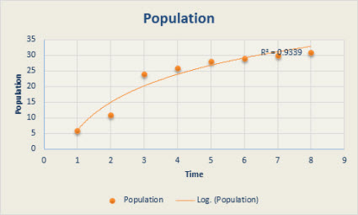
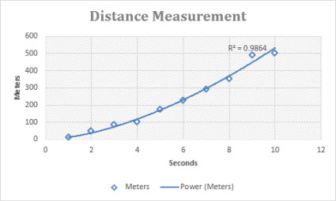
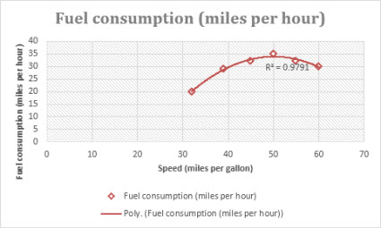
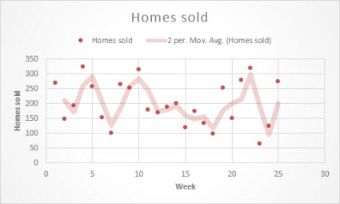
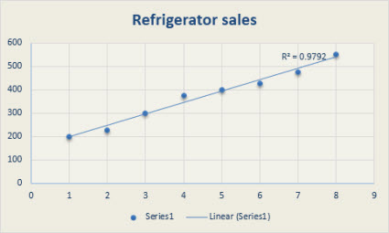
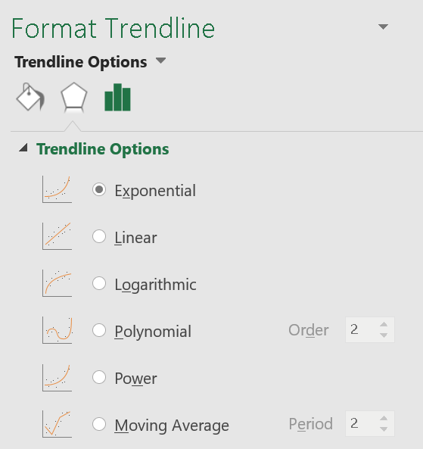
Years | Stock Price
2006 | 320
2007 | 505
2008 | 848
2009 | 1776
2010 | 3456
2011 | 6912
2012 | 13952
2013 | 26112
2014 | 53760

Practice Assignment_Trendlines
 | Car Sales | Bike Sales | Revenues
Jan | 73 | 43 | 2620000
Feb | 56 | 54 | 2220000
Mar | 87 | 77 | 3380000

